FrontPage
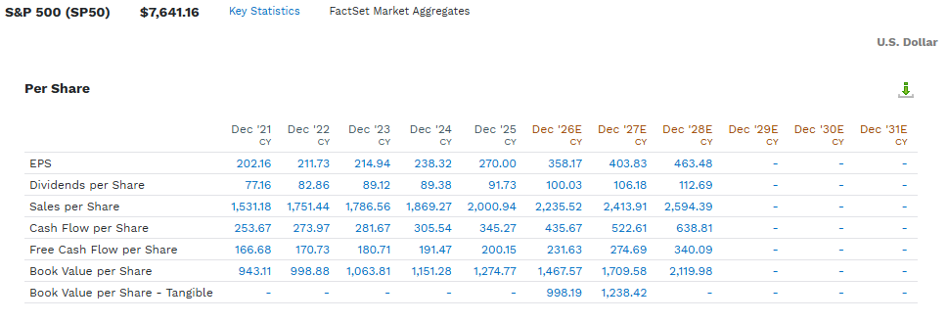
Share Symbol: |  |  | Exchange Traded: |  |  | FUNDAMENTALS
Recent price: (US$) |  |  | Student: |  |  | Most Recent Qtr Report |  | Market Capitalization (M $$) |  | $0
Date: |  |  | TXST Email: |  |  | Last Full Fiscal Year |  | Enterprise Value (M $$) |  | $0
 |  | Index | Earnings (GAAP) | E (% Chg)-cagr | Multiple | Profitability |  | Balance Sheet
S&P 500 (t-1) |  |  |  |  |  | Gross Margin (%) | #DIV/0! | Cash - M $$ |  | $0
S&P 500 (Current) |  |  | #DIV/0! |  | #DIV/0! | Avg Gross Margin (3 yrs) | #DIV/0! | Cash per Share - $$ |  | #DIV/0!
S&P 500 (t+1) |  |  | #DIV/0! |  | #DIV/0! | Net Margin (%) | #DIV/0! | Free Cash Flow to the firm- M $$ |  | #DIV/0!
S&P 500 (t+2) |  |  | #DIV/0! |  | #DIV/0! | Net Margin (3 Yrs) | #DIV/0! | FCFF per Share - SS |  | #DIV/0!
Company Description |  |  | CATALYSTS (RECENT DEVELOPMENTS) |  |  | EBITDA Margin (%) | #DIV/0! | Net Debt - M $$ |  | $0
 |  |  | 1) 2) 3) |  |  | Avg EBITDA Margin (%) | #DIV/0! | Net Debt/FCF - % |  | #DIV/0!
 |  |  |  |  |  | Outlook |  | Valuation Models | Multiple | Price Target
 |  |  |  |  |  | Revenue Growth (LTM) | #DIV/0! | P/E (Current - LTM) | #DIV/0! | #DIV/0!
 |  |  |  |  |  | Revenue Growth (Fwd 12month) | #DIV/0! | P/E (Fwd 12 Months) | #DIV/0! | #DIV/0!
Revenue Segments |  |  | WHAT'S UNIQUE (MOAT) |  |  | Revenue Growth (Fwd 24month) | #DIV/0! | P/E (Fwd 24 Months) | #DIV/0! | #DIV/0!
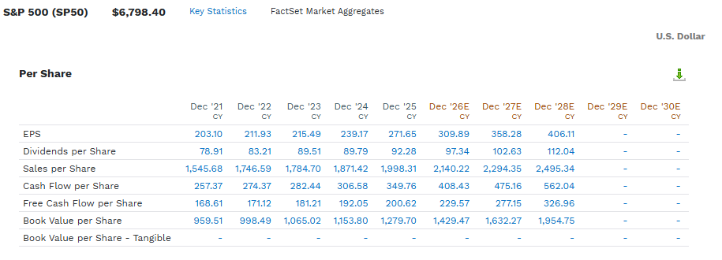
 |  |  | 1) 2) |  |  | EPS Growth (LTM) | #DIV/0! | MC/Rev (Current - LTM) | #DIV/0! | #DIV/0! | Mult = (pr*sh)/rev
 |  |  |  |  |  | EPS Growth (Fwd 12Month) | #DIV/0! | MC/Rev (Fwd 12Month) | #DIV/0! | #DIV/0! | (Mult*Rev)/Sh
 |  |  |  |  |  | EPS Growth (Fwd 24Month) | #DIV/0! | MC/Rev (Fwd 24Month) | #DIV/0! | #DIV/0! | Mult = (EV / EBITDA)
How Does the Company Make Money (Unit Economics)?? |  |  | Main Strengths |  |  | Capital Allocation |  | EV / EBITDA (LTM) | #DIV/0! | #DIV/0! | Mult = (MC + Debt - Cash) / EBITDA
 |  |  | 1) |  |  | ROE | #DIV/0! | EV/EBITDA (Fwd 12Months) | #DIV/0! | #DIV/0! | Mult = ((Pr * SH)+ Debt - Cash) / EBITDA
 |  |  | 2) |  |  | Avg ROE (3 Yrs) | #DIV/0! | EV/EBITDA (Fwd 24Months) | #DIV/0! | #DIV/0! | ((Mult*EBITDA)+Cash-Debt)/Sh
 |  |  | 3) |  |  | Asset Turnover | #DIV/0! | EV / FCF (LTM) | #DIV/0! | #DIV/0! | Mult = EV / FCF
 |  |  | Main Risks |  |  | Avg AT (3 yrs) | #DIV/0! | EV/FCF (Fwd 12Months) | #DIV/0! | #DIV/0! | Mult = ((Pr*sh)+Debt-Cash)/ FCF
Main Peers / Comps |  |  | 1) |  |  | Fincl Lev | #DIV/0! | EV/FCF (Fwd 24Months) | #DIV/0! | #DIV/0! | Pr = ((Mult * FCF)+Cash-Debt) / Sh
1) | 3) |  | 2) |  |  | Avg Fincl Lev (3 Yrs) | #DIV/0!
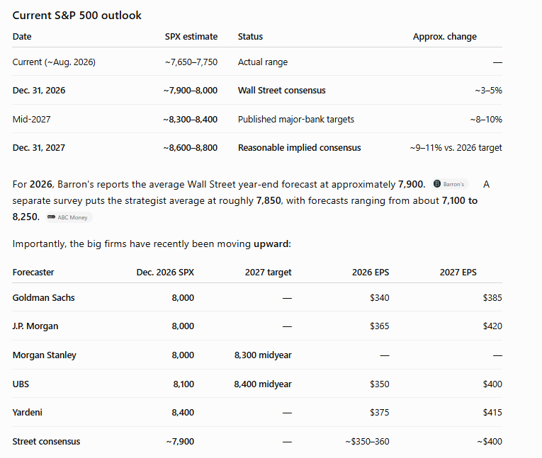
2) | 4) |  | 3) |  |  | FCF / NI (1 Yrs) | #DIV/0!
Share Price (USD) - 5 yrs |  |  |  |  |  | Avg FCF / NI (3 Yrs) | #DIV/0!
 |  |  |  |  |  | Capital Intensity |  | Normalized Multiples
 |  |  |  |  |  | CAPEX/Revenues - % | #DIV/0! | (P/E) / EGr (Fwd 1Yr) - x |  | #DIV/0!
 |  |  |  |  |  | Avg CAPEX/Rev (3 yrs) - % | #DIV/0! | (MC/Rev) / RevGr (Fwd 1Yr) - x |  | #DIV/0!
 |  |  |  |  |  | CAPEX/Oper CF - % | #DIV/0! | (EV/EBITDA) / EBITDA Gr (Fwd 1Yr) - x |  | #DIV/0!
 |  |  |  |  |  | Avg CAPEX/Oper CF (3 yrs) - % | #DIV/0! | (EV/FCF) / FCF Gr (Fwd 1Yr) - x |  | #DIV/0!
 |  |  |  |  |  | Share Summary
 |  |  |  |  |  | Dividend ($ pSh): |  | Short Interest (M Sh)
 |  |  |  |  |  | Divd Yield: | #DIV/0! | Short Interest (Month t-1) - (M Sh)
 |  |  |  |  |  | Avg Daily Volumes (M Sh) |  | Short Interest as % of Float - % |  | #DIV/0!
 |  |  |  |  |  | Shares O/S (Basic) - (M Sh) |  | Days to Cover |  | #DIV/0!
 |  |  |  |  |  | Shares O/S (Fully Diluted) - (M Sh) | 0 | Number of Employees
 |  |  |  |  |  | Float (M Sh) |  | Rev per Employee - $$ |  | #DIV/0!
 |  |  |  |  |  | Institutional Ownership (%) | #DIV/0!

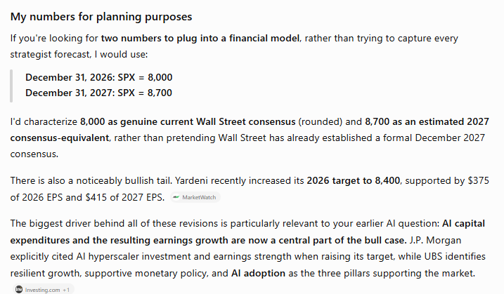
 |  |  |  |  |  | 1) top | 10 | 0
 |  |  |  |  |  | 2) Share Summary | 9 | 0
 |  |  |  |  |  | 3) Boxes (5 each) | 40 | 0
 |  |  |  |  |  | 4) Pic | 1 | 0
 |  |  |  |  |  | TOTAL | 60 | 0

DCF 1-Pager
Discounted Cash Flow Valuation
$ and shares in thousands, except for per share data
Company name |  | 0
Ticker symbol |  | 0
Most recent fiscal year end |  | 2025-12-31 |  | Discount rate (WACC) |  | #DIV/0!
End of first fiscal year |  | 2026-12-31 |  | Share price (Public Co) |  | $0.00
Most recent quarter end date |  | 2026-06-30 |  | Share price date |  | 0
Valuation date |  | 0 |  | Midyear adjustment? |  | 0
Portion of year 1 cash flows in forecast |  | 12,700.3%

Free cash flow to the firm (FCFF)
Unlevered Free Cash Flows
 |  | Actual | Forecasts
Fiscal year ended |  | 1899A | 1900F | 1901F | 1902F

Revenue |  | 0 | 0 | 0 | 0
% growth |  |  | #DIV/0! | #DIV/0! | #DIV/0!
EBITDA |  | 0 | 0 | 0 | 0
% margin |  | #DIV/0! | #DIV/0! | #DIV/0! | #DIV/0!
EBIT |  | 0 | #DIV/0! | #DIV/0! | #DIV/0!
% margin |  | #DIV/0! | #DIV/0! | #DIV/0! | #DIV/0!

Tax on EBIT |  | #DIV/0! | #DIV/0! | #DIV/0! | #DIV/0!
Tax rate |  | #DIV/0! | #DIV/0! | #DIV/0! | #DIV/0!
NOPAT (aka EBIAT) |  | #DIV/0! | #DIV/0! | #DIV/0! | #DIV/0!

Depreciation & amortization |  | 0 | #DIV/0! | #DIV/0! | #DIV/0!
Changes in net working capital |  | 0 | 0 | 0 | 0
Capital expenditures |  | 0 | 0 | 0 | 0
as % of revenue |  | #DIV/0! | #DIV/0! | #DIV/0! | #DIV/0!

Free cash flow to the firm
Unlevered free cash flows (UFCF)

Net working capital (WC Assets - WC liabilities) | 0 | 0 | 0 | 0 | 0
as % of revenue |  | #DIV/0! | #DIV/0! | #DIV/0! | #DIV/0!

Present value of UFCF on Jan 00, 1900 valuation date
 |  | Val date | Yr 1 - Stub | Year 2 | Year 3
Date for discounting cash flows |  | 0 | 2026-12-31 | 2027-12-31 | 2028-12-31
Unlevered free cash flows (UFCF) stub adjusted | 12,700.3% |  | #DIV/0! | #DIV/0! | #DIV/0! |  |  | <-Stub year counts first year cash flows starting at the valuation date
Present value of of unlevered free cash flows |  |  | #DIV/0! | #DIV/0! | #DIV/0!

Terminal value - growth in perpetuity approach |  |  | Terminal value - EBITDA multiple approach
Long term growth rate | 3.0% |  | Terminal year EBITDA |  |  |  | 0
2028 FCF x (1+g) | #DIV/0! |  | EBITDA multiple |  |  |  | 13.5x
Terminal value in 2028 | #DIV/0! |  | Terminal value in 2028 |  |  |  | 0
Present value of terminal value | #DIV/0! |  | Present value of terminal value |  |  |  | #DIV/0!
Present value of stage 1 cash flows | #DIV/0! |  | Present value of stage 1 cash flows |  |  |  | #DIV/0!
Total enterprise value (TEV) | #DIV/0! |  | Enterprise value (stage 1 + 2) |  |  |  | #DIV/0!

Terminal value as % of TEV | #DIV/0! |  | Terminal value as % of TEV |  |  |  | #DIV/0!
Stage 1 cash flows as % of TEV | #DIV/0! |  | Stage 1 cash flows as % of TEV |  |  |  | #DIV/0!
Implied TV exit EBITDA multiple | #DIV/0! |  | Implied terminal growth rate |  |  |  | #DIV/0!

Net debt |  |  | Shares outstanding
Source doc | Factset
Source date | 2025-12-31 |  |  |  | Source doc | Date | Shares
Gross debt and equivalents |  |  | Basic shares |  | Q1 2020 10Q | 2020-01-17 | 205,241.853
Debt | 0 |  | Restricted stock / RSUs |  | Q1 2020 10Q | 2019-12-28 | 1,303.521
Convertible debt | 0 |  | Options / warrants |  |  |  | 609.000 | <-These are options issued by the company, like to executives
Preferred stock | 0 |  | Convertible debt |  |  |  | 0.000 | <-Look on FINRA for this if you can't find it in the 10-K
Noncontrolling (minority) interests | 0 |  | Convertible preferred stock |  |  |  | 0.000 | <-Very few companies have this
Nonoperating assets |  |  | Net diluted shares outstanding |  |  |  | 207,154.374
Cash | 0
Equity investments | 0

Net debt | 0

Valuation
 | Perpetuity | EBITDA
Enterprise value | #DIV/0! | #DIV/0!
Net debt | 0 | 0
Equity value | #DIV/0! | #DIV/0!
Shares outstanding | 205,306 | 205,306
Equity value per share | #DIV/0! | #DIV/0!

Year 1 Multiples | Perpetuity | EBITDA
EV / Revenue | #DIV/0! | #DIV/0!
EV / EBITDA | #DIV/0! | #DIV/0!
EV / EBIT | #DIV/0! | #DIV/0!

Free cash flow to equity
Present value of UFCF on Jan 00, 1900 valuation date
 |  | Val date | Yr 1 - Stub | Year 2 | Year 3
Date for discounting cash flows |  | 0 | 2026-12-31 | 2027-12-31 | 2028-12-31
Unlevered free cash flows (UFCF) stub adjusted | 12,700.3% |  | #DIV/0! | #DIV/0! | #DIV/0!
Present value of of unlevered free cash flows |  |  | #DIV/0! | #DIV/0! | #DIV/0!

Terminal value - growth in perpetuity approach |  |  | Terminal value - PE multiple approach
Long term growth rate | 3.0% |  | Terminal year Earnings |  |  |  | #DIV/0!
2028 FCF x (1+g) | #DIV/0! |  | EBITDA multiple |  |  |  | 25.3x
Terminal value in 2028 | #DIV/0! |  | Terminal value in 2028 |  |  |  | #DIV/0!
Present value of terminal value | #DIV/0! |  | Present value of terminal value |  |  |  | #DIV/0!
Present value of stage 1 cash flows | #DIV/0! |  | Present value of stage 1 cash flows |  |  |  | #DIV/0!
Total equity value (TEV) | #DIV/0! |  | Equity Value |  |  |  | #DIV/0!

Terminal value as % of TEV | #DIV/0! |  | Terminal value as % of TEV |  |  |  | #DIV/0!
Stage 1 cash flows as % of TEV | #DIV/0! |  | Stage 1 cash flows as % of TEV |  |  |  | #DIV/0!
Implied TV exit EBITDA multiple | #DIV/0! |  | Implied terminal growth rate |  |  |  | #DIV/0!

Valuation
 | Perpetuity | PE
Equity value | #DIV/0! | #DIV/0!
Shares outstanding | 205,306 | 205,306
Equity value per share | #DIV/0! | #DIV/0!

Outputs

 |  | Equity value per share |  |  |  |  |  |  | Year 1 EBITDA multiple
 |  |  | Long term growth rate (g): |  |  |  |  |  |  | Long term growth rate (g):
 |  | #DIV/0! | 2.0% | 2.5% | 3.0% | 3.5% | 4.0% |  | #DIV/0! | 2.0% | 2.5% | 3.0% | 3.5% | 4.0%
 |  | 10.0% | #DIV/0! | #DIV/0! | #DIV/0! | #DIV/0! | #DIV/0! |  | 10.0% | #DIV/0! | #DIV/0! | #DIV/0! | #DIV/0! | #DIV/0!
 |  | 9.5% | #DIV/0! | #DIV/0! | #DIV/0! | #DIV/0! | #DIV/0! |  | 9.5% | #DIV/0! | #DIV/0! | #DIV/0! | #DIV/0! | #DIV/0!
 | WACC: | 9.0% | #DIV/0! | #DIV/0! | #DIV/0! | #DIV/0! | #DIV/0! | WACC: | 9.0% | #DIV/0! | #DIV/0! | #DIV/0! | #DIV/0! | #DIV/0!
 |  | 8.5% | #DIV/0! | #DIV/0! | #DIV/0! | #DIV/0! | #DIV/0! |  | 8.5% | #DIV/0! | #DIV/0! | #DIV/0! | #DIV/0! | #DIV/0!
Data |  | 8.0% | #DIV/0! | #DIV/0! | #DIV/0! | #DIV/0! | #DIV/0! |  | 8.0% | #DIV/0! | #DIV/0! | #DIV/0! | #DIV/0! | #DIV/0!
Tables
 |  | Equity value per share |  |  |  |  |  |  | Year 1 EBITDA multiple
 |  |  | Exit EBITDA Multiple |  |  |  |  |  |  | Exit EBITDA Multiple
 |  | #DIV/0! | 11.5x | 12.0x | 12.5x | 13.0x | 13.5x |  | #DIV/0! | 11.5x | 12.0x | 12.5x | 13.0x | 13.5x
 |  | 10.0% | #DIV/0! | #DIV/0! | #DIV/0! | #DIV/0! | #DIV/0! |  | 10.0% | #DIV/0! | #DIV/0! | #DIV/0! | #DIV/0! | #DIV/0!
 |  | 9.5% | #DIV/0! | #DIV/0! | #DIV/0! | #DIV/0! | #DIV/0! |  | 9.5% | #DIV/0! | #DIV/0! | #DIV/0! | #DIV/0! | #DIV/0!
 | WACC: | 9.0% | #DIV/0! | #DIV/0! | #DIV/0! | #DIV/0! | #DIV/0! | WACC: | 9.0% | #DIV/0! | #DIV/0! | #DIV/0! | #DIV/0! | #DIV/0!
 |  | 8.5% | #DIV/0! | #DIV/0! | #DIV/0! | #DIV/0! | #DIV/0! |  | 8.5% | #DIV/0! | #DIV/0! | #DIV/0! | #DIV/0! | #DIV/0!
 |  | 8.0% | #DIV/0! | #DIV/0! | #DIV/0! | #DIV/0! | #DIV/0! |  | 8.0% | #DIV/0! | #DIV/0! | #DIV/0! | #DIV/0! | #DIV/0!

Equity value range |  |  |  |  | Football field
DCF Equity Valuation Range
LTM EBITDA Multiple Range

 | Low | Diff. | High |  |  |  |  |  |  |  |  | Low | Diff. | High
DCF Value at 11.5x-13.5x Exit EBITDA Range at 9.0% WACC | #DIV/0! | #DIV/0! | #DIV/0! |  | LTM EBITDA Purchase Multiple at 2.0%-4.0% Perpetuity Growth at 9.0% WACC |  |  |  |  |  |  | #DIV/0! | #DIV/0! | #DIV/0!
DCF Value at 2.0%-4.0% Perpetuity Range at 9.0% WACC | #DIV/0! | #DIV/0! | #DIV/0! |  | #DIV/0! |  |  |  |  |  |  | #DIV/0! | #DIV/0! | #DIV/0!
52 Week Market High/Low | 169.50 | 158.35 | 327.85 |  | LTM EBITDA Purchase Multiple at 8.0%-10.0% WACC at 12.5x Exit EBITDA |  |  |  |  |  |  | #DIV/0! | #DIV/0! | #DIV/0!

Key Defns
 |  | The score is calculated based on 9 criteria divided into 3 groups.[1]
PE (Curr) = | #DIV/0! | Profitability
F (26) EPS = | #DIV/0! | 1. Return on Assets (1 point if it is positive in the current year, 0 otherwise);
F( Price Stock) | #DIV/0! | 2. Operating Cash Flow (1 point if it is positive in the current year, 0 otherwise);

Gain | #DIV/0! | 4. Accruals (1 point if Operating Cash Flow/Total Assets is higher than ROA in the current year, 0 otherwise);
 |  | Leverage, Liquidity and Source of Funds
MC/Rev (Curr) | #DIV/0! | 5. Change in Leverage (long-term) ratio (1 point if the ratio is lower this year compared to the previous one, 0 otherwise);
MC (Current) | $0 | 6. Change in Current ratio (1 point if it is higher in the current year compared to the previous one, 0 otherwise);
E (MC Curr Mult) | #DIV/0! | 7. Change in the number of shares (1 point if no new shares were issued during the last year);
Shares | 0 | Operating Efficiency
Price | #DIV/0! | 8. Change in Gross Margin (1 point if it is higher in the current year compared to the previous one, 0 otherwise);
Gain | #DIV/0! | 9. Change in Asset Turnover ratio (1 point if it is higher in the current year compared to the previous one, 0 otherwise);

 |  | The score is calculated based on the data from financial statement of a company. A company gets 1 point for each met criteria. Summing up of all achieved points gives Piotroski F-score (number between 0 and 9).
 |  | https://www.chicagobooth.edu/~/media/FE874EE65F624AAEBD0166B1974FD74D.pdf
#REF! |  | Improvements to Piotrowski F-Score
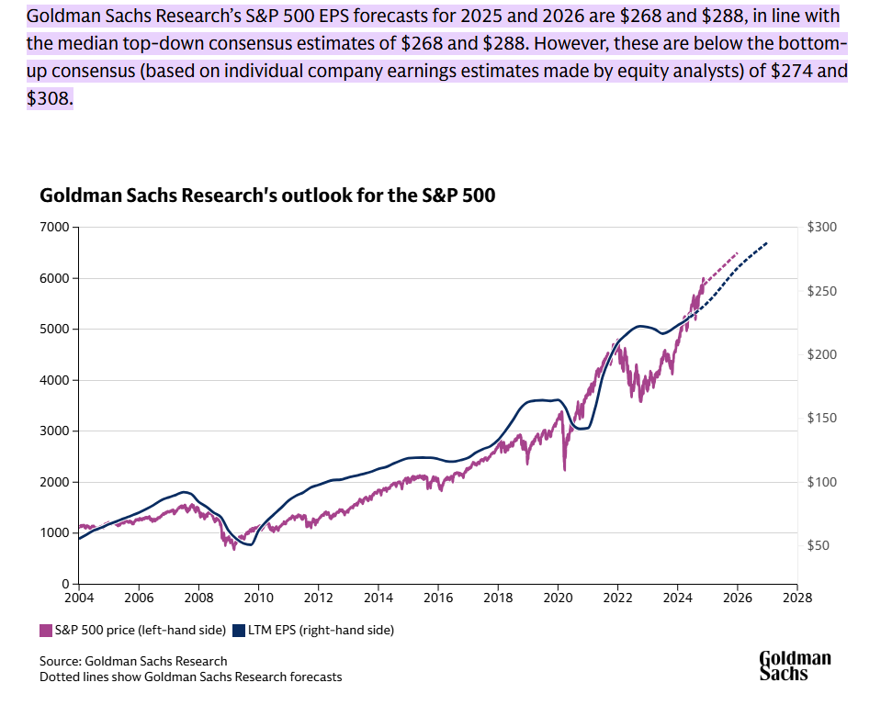
#REF! |  | https://alphaarchitect.com/2015/05/05/value-investing-research-simple-methods-to-improve-the-piotroski-f-score/
 |  | https://www.aaii.com/journal/article/simple-methods-to-improve-the-piotroski-f-score?
https://www.goldmansachs.com/insights/articles/the-s-and-p-500-is-forecast-to-return-10-percent-in-2025
https://www.goldmansachs.com/insights/articles/s-and-p-500-projected-to-rally-more-than-expected

 |  | GLOSSARY AND INTERPRETATION OF FIGURES

 |  | Adjusted book value |  | An estimate of the book value of the company, using the sum of capital expenditures for the
 |  |  |  | last 5 years as an estimate for the book value of fixed assets, to determine how new
 |  |  |  | such fixed assets are, and how strong the book value.

 |  | SHORT INTEREST | https://www.nasdaq.com/market-activity/stocks/msft/short-interest
 |  | NYSE : Short Interest | https://www.nyse.com/quote/XNGS:MSFT
 |  | Institutional Ownership | https://www.nasdaq.com/market-activity/stocks/exas/institutional-holdings

 |  | Definitions

 |  | Adjusted sales/share |  | Sales per share, where the number of shares is adjusted for shares which could be repurchased
 |  |  |  | with excess current assets, once all outstanding liabilities have been extinguished.
 |  |  |  | Accounts for the leverage of the company (how many shares would need to be issued to retire
 |  |  |  | the debt) or, conversely, for the benefits from high levels of net assets.
 |  |  |  | Especially valuable for inter-company comparisons, or comparison to industry average.
 |  | Asset value |  | An estimate of the fair value of tangible assets, net of all outstanding liabilities.
 |  |  |  | Fixed assets include accumulated depreciation, to estimate their replacement value.

 |  |  |  | When real estate represents a significant portion of assets, an adjustment may be made
 |  |  |  | to reflect its fair market value rather than book value.
 |  |  |  | An estimate is also made for goodwill, as a % of revenues.

 |  | Cap.Ex. |  | Capital expenditures relating to fixed asset purchases.

 |  | CFO |  | Cash flow from operations (including changes in non-cash working capital accounts).

 |  | EBIT |  | Earnings before interest and taxes.
 |  | EBIT Multiple |  | An estimate of the earnings generation powers of the company's productive assets, plus
 |  |  |  | working capital, and netted of long term debt outstanding.
 |  |  |  | The lower the EBIT multiple, the greater the probability that the stock is undervalued at current
 |  |  |  | market levels. On average, a multiple greater than 5.0 indicates possible overvaluation.
 |  |  |  | This multiple is also useful for inter-company comparisons, as it accounts for the effect of
 |  |  |  | varying levels of leverage and differing income tax rates.

 |  | F score |  | A rapid evaluation of financial strength, reflecting the liquidity of the company and its
 |  |  |  | leverage position, also relating the two.
 |  |  |  | The higher, the better.

 |  | NBP |  | An estimate of the remaining borrowing power of the Company, based on the level of its
 |  | Net borrowing power |  | short term and gross fixed assets, over and above debt already outstanding.

Sheet1
